Sheet1
 | Please copy this column and fill in for each tagging study
 | TAGGING STUDY 1, etc
 | choose from pull-down menus for highlighted fields (or specify in the column to the right)
purpose/objectives of the tagging activities
shark species tagged
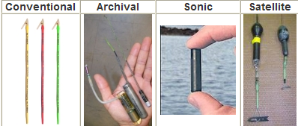 tag type (Attach a photo of your tag if possible)
key technical issues associated with tag attachment or retrieval
number tagged
number recovered
recovery rate (if applicable)
number and time period tracked (if applicable)
longest/farthest track
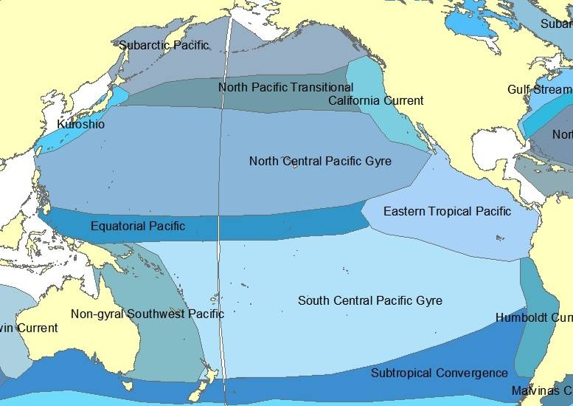 Oceanographic region
year(s) of tagging
range of lengths tagged
range of weights tagged
sex tagged
other biological information recorded (if applicable)
availability of raw data (and format and/or linkage, if available)
findings/data published, and actual reference/citation if available
program sponsor and point(s) of contact. | Name
 | Position
 | Institute / Research Center / Organization
 | Address
 | Phone
 | Email

